27thsept
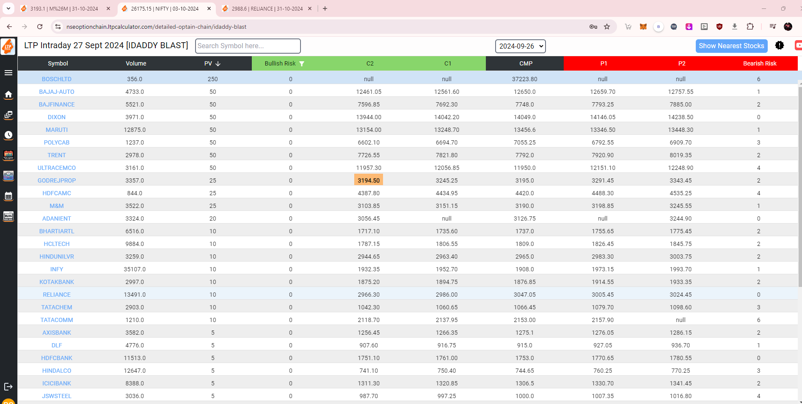
SL | SYMBOL | PV | C2 | C1 | P1 | P2 | EXECUTED | TIME | RESULT | COMP-TIME | CASH | LOT SIZE | OPTION | ENTRY | TARGET | STOPLOSS | 1 LOT CAPITAL | PROFIT/LOSS | RETURN % | TARGET | STOPLOSS | remarks
1 | BAJAJAUTO | 50 | 12461.05 | 12561.6 | 12659.7 | 12757.55 | C1 | 9:21:00 | TARGET | 9:30:00 |  | 75 | CE | 457 | 488 | 425 | 34275 | 2325 | 7% | 12611.6 | 12511.6
2 | BAJFINANCE | 50 | 7596.85 | 7692.3 | 7793.25 | 7885 | P1 | 11:04:00 | TARGET | 13:13:00 |  | 125 | PE | 246 | 272 | 220 | 30750 | 3250 | 11% | 7743.25 | 7843.25
3 | DIXON | 50 | 13944 | 14042.2 | 14146.05 | 14238.5 | C1 | 9:25:00 | TARGET | 9:28:00 |  | 100 | CE | 732 | 761 | 703 | 73200 | 2900 | 4% | 14092.2 | 13992.2
4 | MARUTI | 50 | 13154 | 13248.7 | 13346.5 | 13448.3 | P1 | 9:21:00 | TARGET | 9:24:00 |  | 50 | PE | 433 | 448 | 396 | 21650 | 750 | 3% | 13296.5 | 13396.5
5 | POLYCAB | 50 | 6602.1 | 6694.7 | 6792.55 | 6909.7 | P1 | 9:26:00 | STOPLOSS | 9:29:00 |  | 125 | PE | 297 | 317 | 277 | 37125 | -2500 | -7% | 6742.55 | 6842.55
6 | TRENT | 50 | 7726.55 | 7821.8 | 7920.9 | 8019.35 | C1 | 10:05:00 | TARGET | 10:59:00 |  | 200 | CE | 437 | 467 | 407 | 87400 | 6000 | 7% | 7871.8 | 7771.8
7 | ULTRACEMCO | 50 | 11957.3 | 12056.85 | 12151.1 | 12248.9 | C1 | 9:22:00 | TARGET | 9:44:00 |  | 100 | CE | 467 | 499 | 436 | 46700 | 3200 | 7% | 12106.85 | 12006.85
8 | GODREJPROP | 25 | 3194.5 | 3245.25 | 3291.45 | 3343.45 | C1 | 9:27:00 | TARGET | 9:55:00 |  | 225 | CE | 170 | 184 | 155 | 38250 | 3150 | 8% | 3270.25 | 3220.25 | almost target hit on 09:55 - 183
9 | HDFCAMC | 25 | 4387.8 | 4434.95 | 4488.3 | 4535.25 | P1 | 9:21:00 | TARGET | 9:30:00 |  | 150 | PE | 140 | 152 | 127 | 21000 | 1800 | 9% | 4463.3 | 4513.3
10 | M&M | 25 | 3103.85 | 3151.15 | 3198.85 | 3245.55 | P1 | 9:53:00 | TARGET | 10:02:00 |  | 350 | PE | 108 | 122 | 94 | 37800 | 4900 | 13% | 3173.85 | 3223.85
11 | BHARTIARTL | 10 | 1717.1 | 1735.6 | 1755.65 | 1775.45 | C1 | 9:30:00 | TARGET | 9:59:00 |  | 475 | CE | 75 | 81.8 | 68.31 | 35625 | 3230 | 9% | 1745.6 | 1725.6
12 | HCLTECH | 10 | 1787.15 | 1806.55 | 1826.45 | 1845.75 | P1 | 9:23:00 | TARGET | 9:48:00 |  | 350 | PE | 69.65 | 75.9 | 63.4 | 24377.5 | 2187.5 | 9% | 1816.45 | 1836.45
13 | HINDUNILVR | 10 | 2944.65 | 2963.4 | 2983.3 | 3003.75 | P1 | 9:23:00 | TARGET | 9:31:00 |  | 300 | PE | 66.2 | 70.95 | 61.5 | 19860 | 1425 | 7% | 2973.3 | 2993.3
14 | INFY | 10 | 1932.35 | 1952.7 | 1973.15 | 1993.7 | P1 | 9:30:00 | TARGET | 9:33:00 |  | 400 | PE | 72 | 78.75 | 65.66 | 28800 | 2700 | 9% | 1963.15 | 1983.15
15 | KOTAKBANK | 10 | 1875.2 | 1894.75 | 1914.55 | 1933.35 | C1 | 9:59:00 | STOPLOSS | 11:03:00 |  | 400 | CE | 75 | 81.6 | 68.5 | 30000 | -2600 | -9% | 1904.75 | 1884.75
16 | RELIANCE | 10 | 2966.3 | 2986 | 3005.45 | 3024.45 | C1 | 9:31:00 | TARGET | 10:13:00 |  | 250 | CE | 92.2 | 97.8 |  | 23050 | 1400 | 6% | 2996 | 2976
17 |  |  |  |  |  |  |  |  |  |  |  |  |  |  |  |  |  |  |  | #N/A | #N/A
18
 |  |  |  |  |  |  |  |  |  |  |  |  |  |  |  |  |  |  |  |  |  | 7269.2
 |  |  |  |  |  |  |  |  |  |  |  |  |  |  |  |  |  |  |  |  |  | 25
 |  |  |  |  |  |  |  |  |  |  |  |  |  |  |  |  |  |  |  |  |  | 7294.2 | 267

 |  |  |  |  |  |  |  |  |  |  |  |  |  |  |  |  |  | 3001.7 |  |  |  | 7244.2 | 237
 |  |  |  |  |  |  |  |  |  |  |  |  |  |  |  |  |  | 10
 |  |  |  |  |  |  |  |  |  |  |  |  |  |  |  |  |  | 3011.7 | 2991.7

 |  |  |  |  |  |  |  |  |  |  |  |  |  |  |  |  |  | 98 | 84

 |  |  |  |  |  |  |  |  |  |  |  |  |  |  |  |  | PFC | 491.2 | 5 | 486.2
 |  |  |  |  |  |  |  |  |  |  |  |  |  |  |  |  |  |  |  | 496.2

